Time sheet
 |  | Sensors for Mushroom Environment
 |  |  |  | Info/Aim
 |  | Sensors are required to understand the variation of the environment the mushrooms are growing in. Tunnel environment and bed environment are considered under environment monitoring.
 |  | For tunnel environment sensing following sensors can be used: Co2 sensor, air temperature probe, Relative Humidity sensor whereas for mushroom bed parameter sensing Ph meter, moisture
 |  | sensor, and compost temperature sensor can be used
 |  | CO2 sensor cost | Air Temperature sensor cost(Humidity sensor) & Air Flow sesnor | pH sensor cost | Comp Temp.& Moisture sensor cost | Humidity sensor cost | Accessories | Total cost(£)
 |  | 80.00 | 100.00 | 30.00 | 88.00 | 40.00 | 10.00 | 348.00
 |  | SENSORS | SPECIFICATION | ROLE | TOLERANCE | PLACEMENT | COST | Seller
 | 1 | EZO-CO2 | CO2 Sensor (5 pin raw data) https://atlas-scientific.com/files/EZO_CO2_Datasheet.pdf | Reads gaseous co2 with range 0 to 10000 ppm | No tolerance to water submerge Accuracy +-50ppm with Single wavelenght spectrophotometer for CO2 as detector Warm up time:10s | Anywhere in the middle of the work place Cable length 1m | https://sensorsandprobes.com/products/ezo-co2%E2%84%A2-embedded-ndir-carbon-dioxide-sensor | Nuibol
 | 2 | IOT RS-485 | Compost Temperature and Moisture (raw data) https://www.niubol.com/Agricultural-sensor/NBL-THR-Soil-Sensor.html. 4 PIN 12v 4-20mA | 1. It can give compost temperature. 2. it can give compost moisture | Soil moisture 0-100% Soil temperature -50°C to 100°C Water proof non-corrosive | 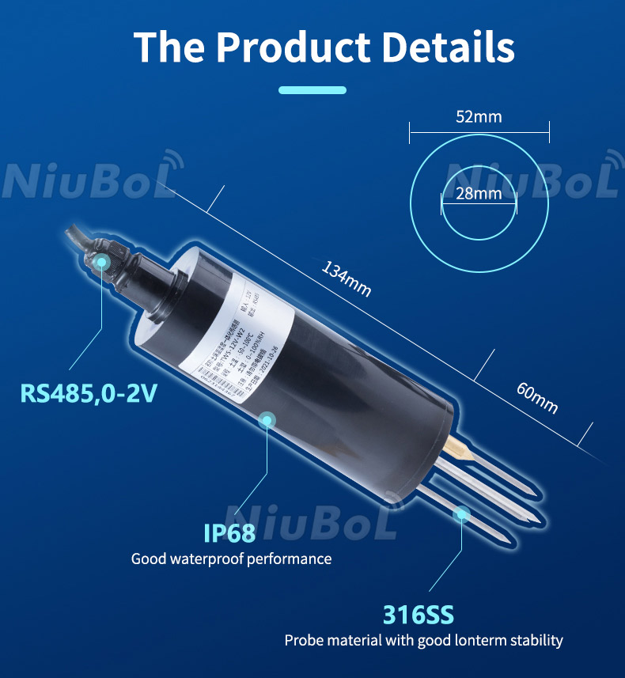 Inside compost 5 cm deep(harvester mount) W=500g | https://www.niubol.com/Agricultural-sensor/NBL-THR-Soil-Sensor.html | Nuibol
 | 3 | Wall Hu sensor | 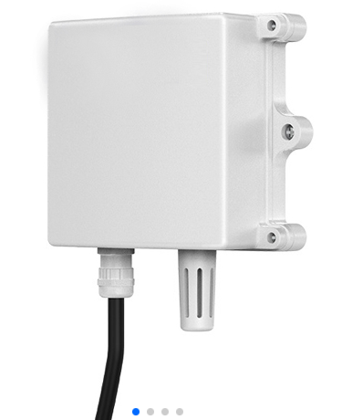 Air Relative Humidity and Temperature sensor (raw data) https://www.niubol.com/Agricultural-sensor/NBL-THR-Soil-Sensor.html 4 pin 12v 4-20mA | 1. It can give air temperature. 2. it can give air RH(Relative Humidity) | Soil moisture 0-100% air temperature -50°C to 100°C Resolution: 0.1°C & 0.1%RH | Anywhere in the middle of the work place L=105mm W=140g | https://www.niubol.com/Air-ambient-sensors/Wall-mounted-temperature-humidity-sensors.html | Nuibol
One to select | 4 | pH sensor* | Taidda soil (4 pin) ph sensor 12-24v 4-20mA | pH level of compost/casing | 0.3pH resolution 3-9 pH scale | Dim: 13.5 x 4.5 x 1.4cm W=184g Use: Dip into compost (harvester mount) | https://www.amazon.com/Taidda-Special%E3%80%91-Operate-Density-Vegetables/dp/B08KVT9JPR?crid=3J0Y3BTYQCJRP&keywords=soil+ph+sensor&qid=1673149007&sprefix=soil+ph+sensor,aps,114&sr=8-5&linkCode=sl1&tag=howtoelect0e4-20&linkId=ee22e5422078f5da2df22c71f5a49ae3&language=en_US&ref_=as_li_ss_tl | Amazon
 |  | pH meter | LCD pH meter | pH level of compost/casing | 0.01pH resolution 3-12 pH scale | Dim: 13.5 x 4.5 x 1.4cm Use: Dip into compost | https://www.ebay.co.uk/itm/364295721616?_trkparms=amclksrc%3DITM%26aid%3D1110006%26algo%3DHOMESPLICE.SIM%26ao%3D1%26asc%3D20231016072133%26meid%3Dcd40a20fbb7044079b78d55205880b8a%26pid%3D101878%26rk%3D25%26rkt%3D25%26sd%3D335098985859%26itm%3D364295721616%26pmt%3D1%26noa%3D0%26pg%3D4536401%26algv%3DSimplAMLv5PairwiseWebWithBBEV2bAndUBSourceDemotionWithUltimatelyBoughtOfCoviewV1%26brand%3DUnbranded%26fpg%3D1&_trksid=p4536401.c101878.m1851&itmprp=cksum%3A364295721616cd40a20fbb7044079b78d55205880b8a%7Cenc%3AAQAIAAABMPzGgyhK8D4QCApcBuWVQe1qsoN395NgJVWTF7eo2rfipPwdfCio0EI4F5H%252Bx0wtS8%252Fu%252Fr%252FRUxEZ1KxNtbAGuwQqNawa9Mz45LW45pYy0nuj3ZRvcH7QAkA4yxHGDJFLQlfZO%252B84Spyc11QOBgd%252BcpDoRowSvjuiQylFY3qQkY76ExAuIE1M6xLylY6ljB71Mnnmb7h5%252BPkmhAi04Bg9Fvg%252BLZzZwhZrAwFsK5vPHNPzemj5GLk4WBXejNJEhIyS9jIreFTKKwkCwV7WfVuft5zQ9AUUxoIVeW7KOZ5v9C%252BXJUK60lv3ye0wAp0u05HD34we5FBggq03lak2FmzY83Lf1HHq76H2FUqOitkqorfZpDPxfdJiEpD8DJ8l%252Bsr7SflvkdjXSxi9GgxqnAQsR3s%253D%7Campid%3APL_CLK%7Cclp%3A4536401&itmmeta=01HQNT8GQJH142RS46XB4KM224
 |  | pH meter | LCD pH meter(temperature inc.) | pH level of compost/casing + temperature | 0.02pH resolution 0-14 scale | Dim: 20x3x4cm Use: Dip into compost | https://www.ebay.co.uk/itm/325914916805?_trkparms=amclksrc%3DITM%26aid%3D1110006%26algo%3DHOMESPLICE.SIM%26ao%3D1%26asc%3D260885%26meid%3D5795a888703c4e3b9d5af05911df38c0%26pid%3D101195%26rk%3D6%26rkt%3D12%26sd%3D116009277146%26itm%3D325914916805%26pmt%3D1%26noa%3D0%26pg%3D4429486%26algv%3DSimplAMLv11WebTrimmedV3MskuWithLambda85KnnRecallV1V2V4ItemNrtInQueryAndCassiniVisualRankerAndBertRecallWithVMEV3CPCAutoWithCassiniEmbRecallManual%26brand%3DUnbranded&_trksid=p4429486.c101195.m1851&itmprp=cksum%3A3259149168055795a888703c4e3b9d5af05911df38c0%7Cenc%3AAQAIAAABcKAO6YGL7I8ZT6VFWcHmDuKm898HGH9cNRsnG%252Fep%252BzC3UPHwPSmfpPq3b41cHxht%252FCiwo5DdbtiFsRNqRhAUlK8x2MLrmISu5pnzSn%252FhiW3P7y%252BKcxGllTjL%252BG3bIP4k8fGgzCrVY1dxXbjuBFp3vefxTYgjBXBRUWQBgGciI%252FuQ5Mjsfl%252B%252FiL4cv70dT88jK9g%252FsJg%252BO8QGCkQvrQ7m90zG0B8wjrhrnYD17znfPkzkPY3r9R%252Fgc1%252FshW8nXJ2lAbd5Q9kDTnZtT8YRg1XzjZtC88WjCUZTOs%252BMlJJJMYrkSrnkiKyV202OYQrQ3pfszUJNY9yx5hhZ%252B0rmvZTEoomS%252BaDrDj6OzK5cpgrWkLxy502coeMpS%252BKUstQ9Qfdbr03vWF5uKY9IRwmknSV8Z3o%252BhOst4eFKTeWyhNruj2ZC7r81cWHemqBVo2K96eClwMBkjYLbgaoIMBkU4oSlVxjvRLFg%252FM8OuuqkzPh1%252FNsW%7Campid%3APL_CLK%7Cclp%3A4429486&itmmeta=01HQNSJ3AX0Z6JCZNC5NKV6RG3
 | 5 | Air flow sensor | Air flow sensor D6F02L2000 3 pin sensor 10-26V, 15mA | Low to modeate air flow (L/min) | 0-2L/minute, +-3FS accuracy | Dim: 20x62x20 mm Use: Place still | https://uk.farnell.com/omron-electronic-components/d6f02l2000/sensor-flow-lpg-0-to-2-l-min/dp/2293683 | Farnell
 | Needed for commication between sensors and the embedded system(Arduino/Respberry pi) | Transceiver | Max 485 (RS485, TTL converter) | Bridging the sensor o/p with required input for the processer | -- | -- | https://www.amazon.com/Max485-Chip-RS-485-Module-Raspberry/dp/B00NIOLNAG/ref=sr_1_3?crid=26CKKF2OR3DV3&dib=eyJ2IjoiMSJ9.723-4M5t2K9893dy7f5Ud-VFZkKr_GnrFPElPZCSXkzCNl_rmcOyuScJOSh4t7BCt_LSASWkx1WciKYa6TKA1Jh-FK4E9LTzIui9BNo3Los24BUdOcAYIQuZorGFl4tSJ-eXaMp70AlOlT1OSKHt7RGCRZK2F-rgVG9NXa19E7vEC-Ynz8Xf1nRFfVIRLcc9HfEMquoLzaTJvX7kz2kA7TeuMt9DR1a5rpXpXk880CM.QTa14_KD5cMC3LUlDgI9byAdcVMLLwq47SUvpg4ipVQ&dib_tag=se&keywords=MAX485&qid=1711122305&sprefix=max485%2Caps%2C138&sr=8-3 | Amazon
 |  | N.B. Air temperature can be measured by Wall Hu sensor whereas IOT RS-485 can give compost temperature.

